SCRIPT
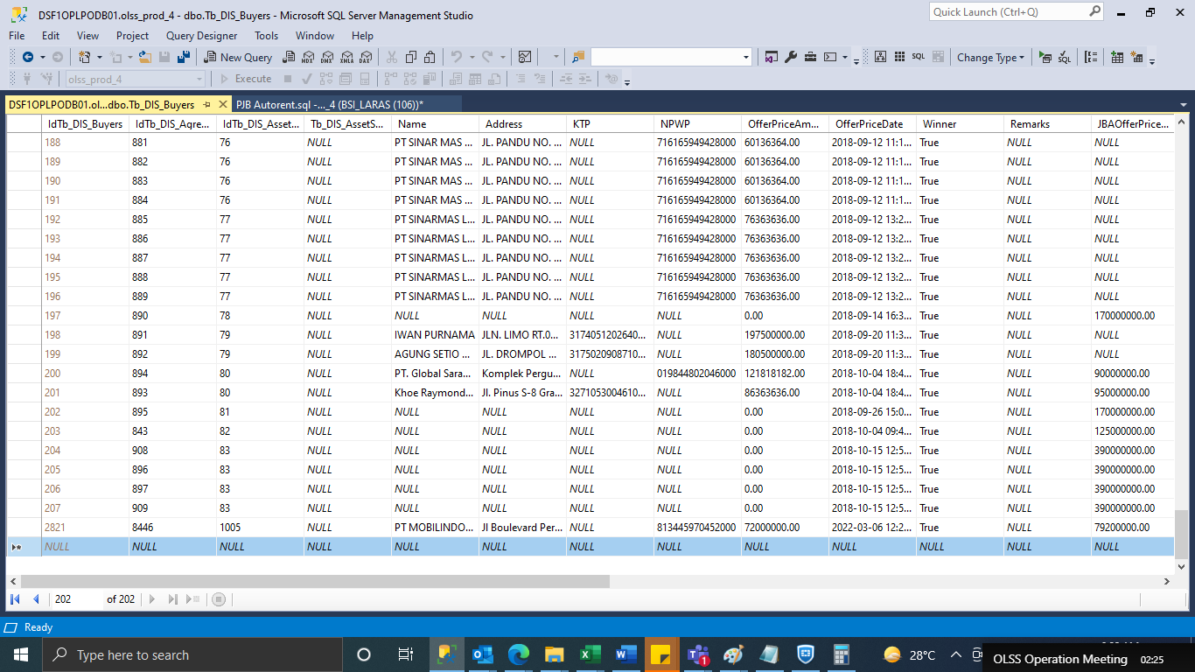
update Tb_DIS_Agreement set BookValue = '57395826' where IdTb_DIS_Agreement = '8446'

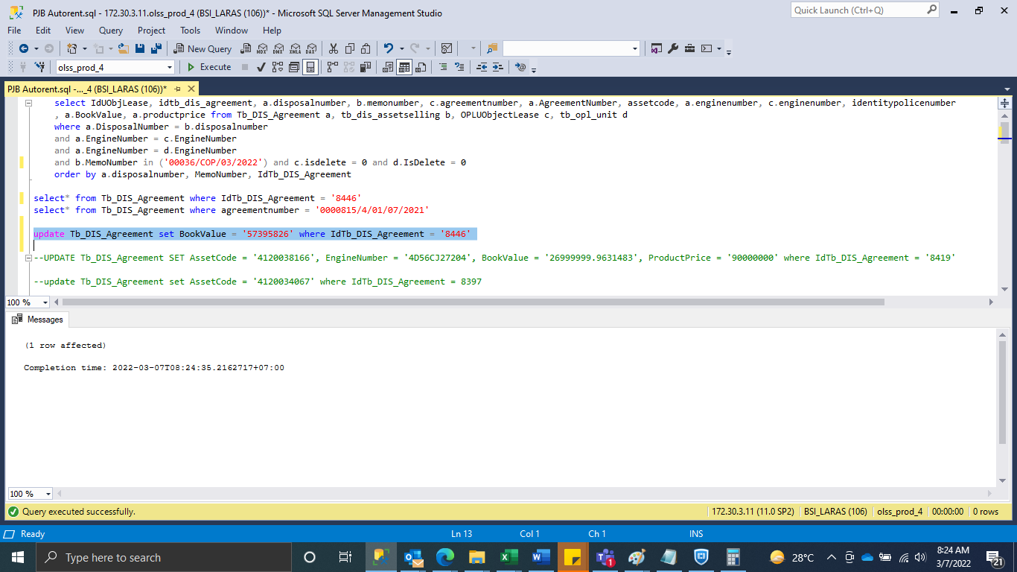

INSERT TB_DIS_BUYERS

SCREENSHOOT
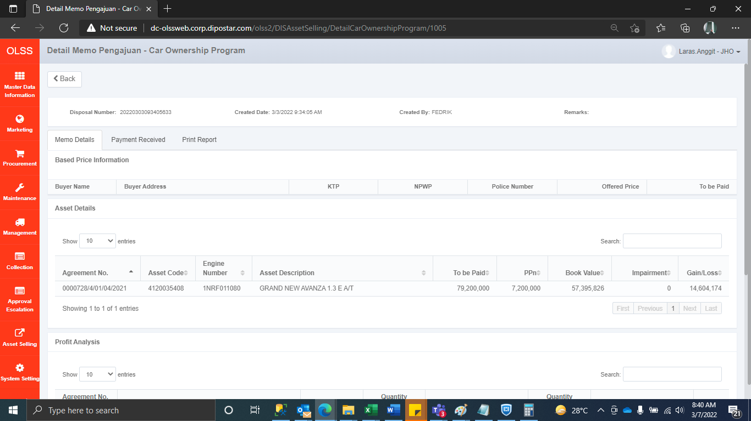
MEMO 00036/COP/03/2022
Before
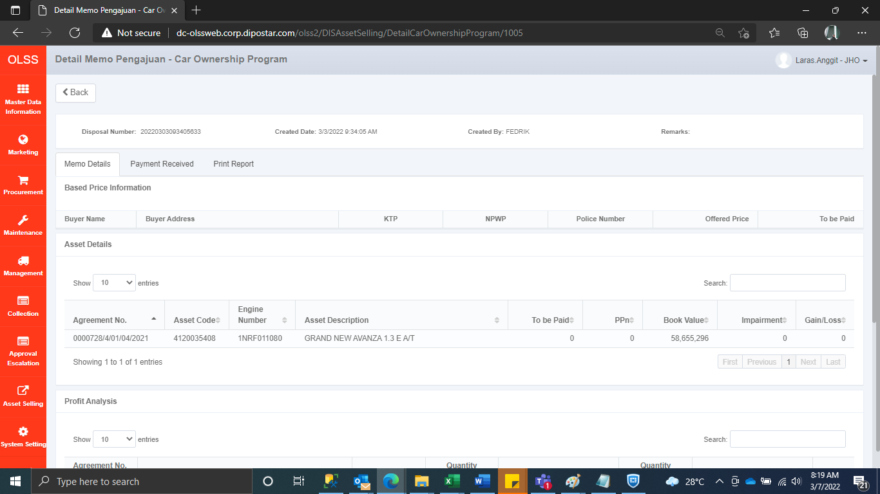

AFTER

